Sheet1
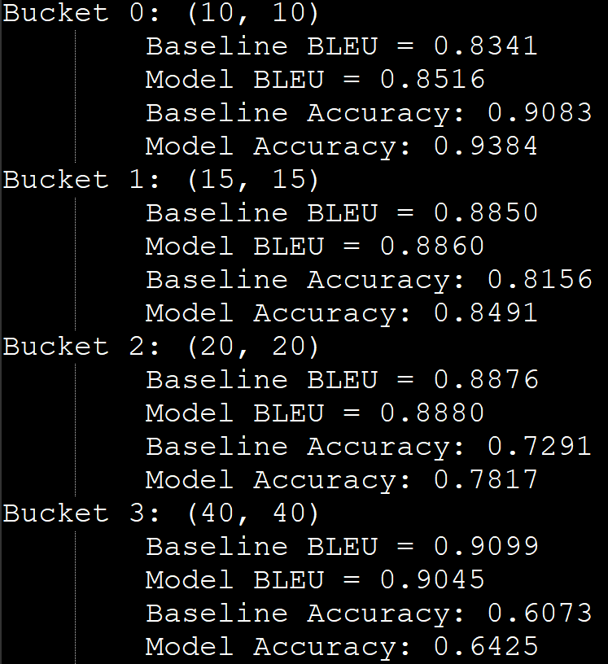

 | baseline | proposed
20 | 0.6041 | 0.1117
30 | 0.6007 | 0.1607
40 | 0.5981 | 0.2283

 | 0.8341 | 0.8516
 | 0.885 | 0.886
 | 0.8876 | 0.888
 | 0.9099 | 0.9045

 | 0.9083 | 0.9384
 | 0.8156 | 0.8491
 | 0.7291 | 0.7817
 | 0.6073 | 0.6425

 | 0.833 | 0.8335
 | 0.8368 | 0.8425
 | 0.8354 | 0.8492

